Types of CandleSticks
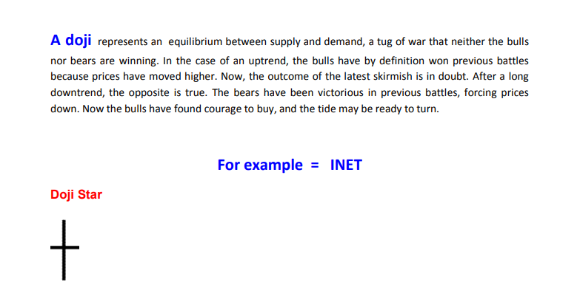

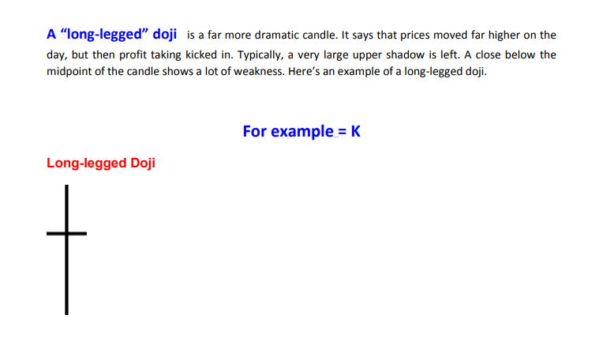

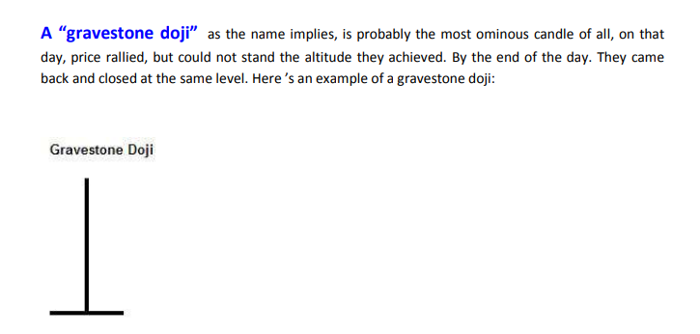

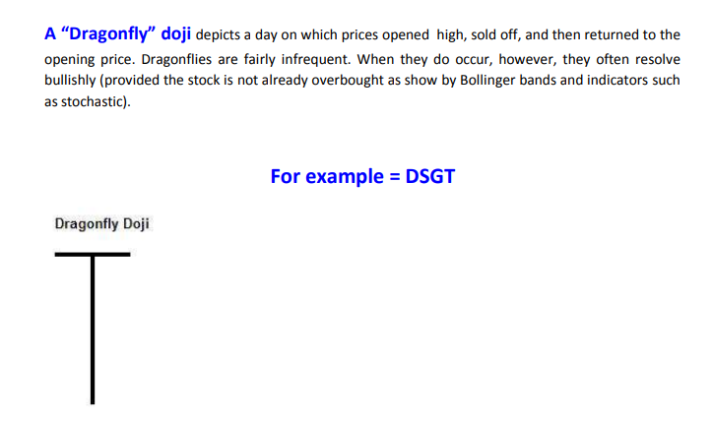

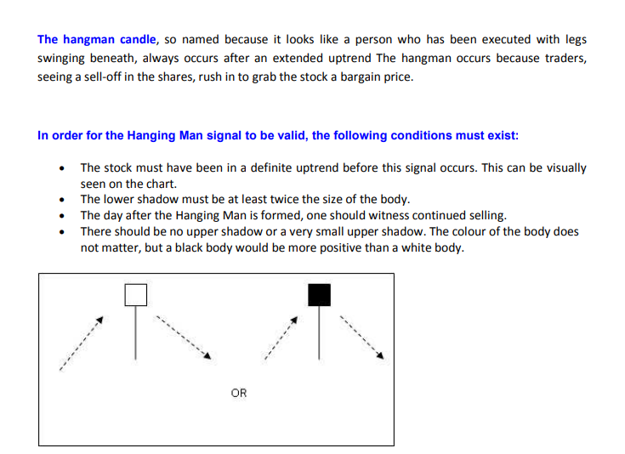

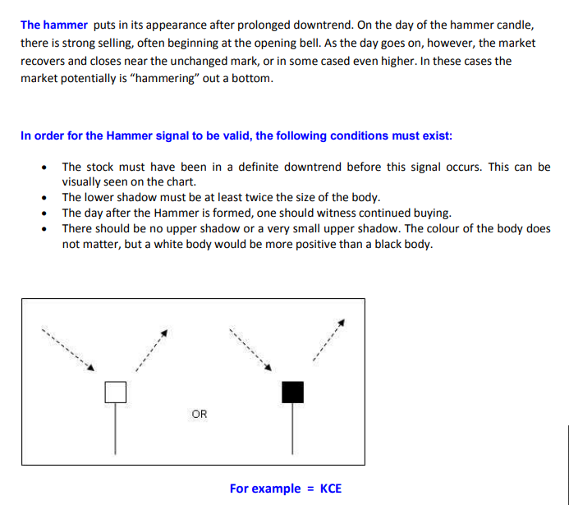

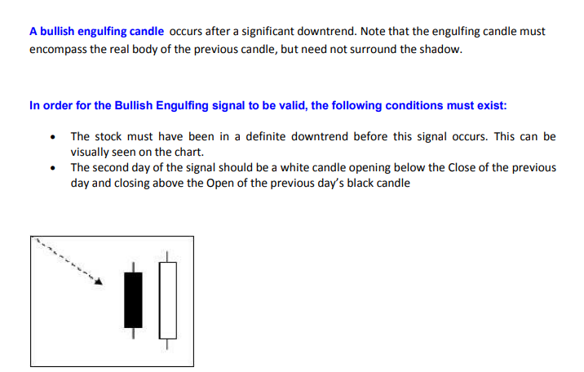

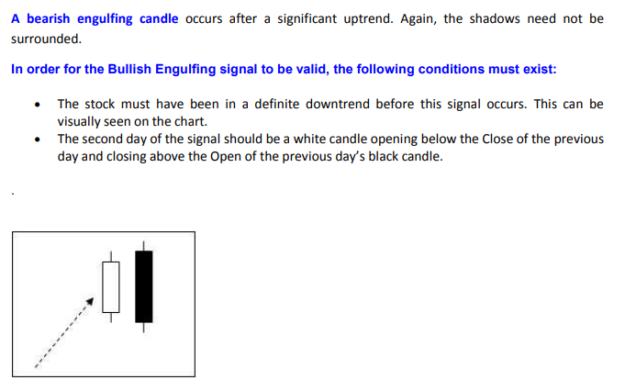

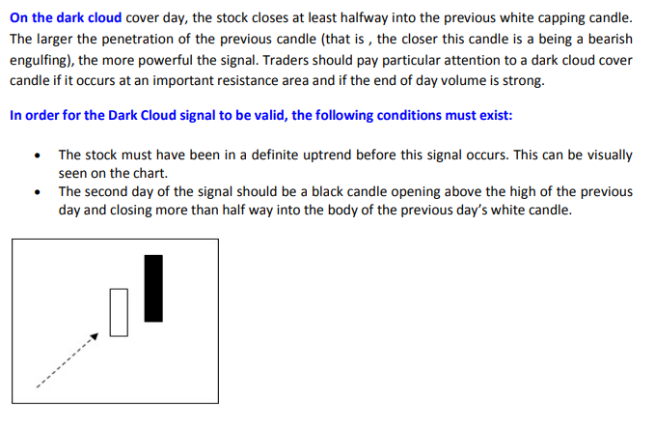

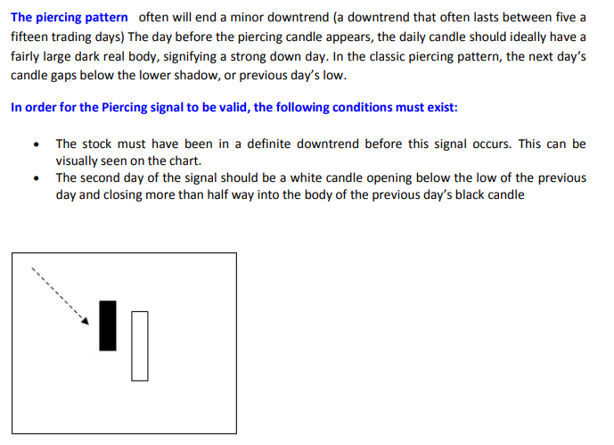

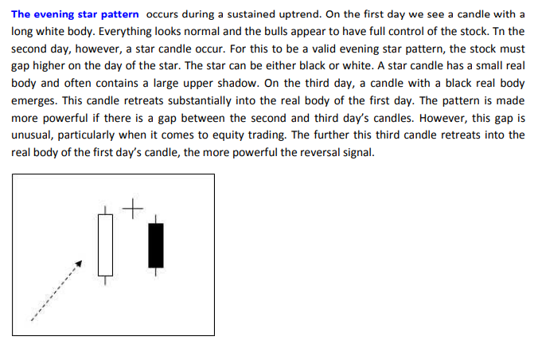

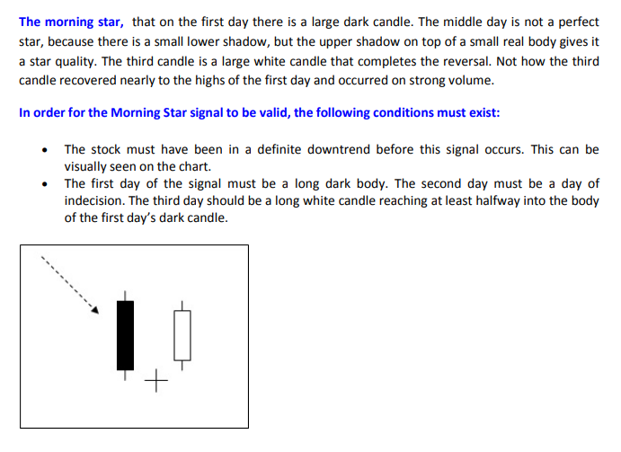

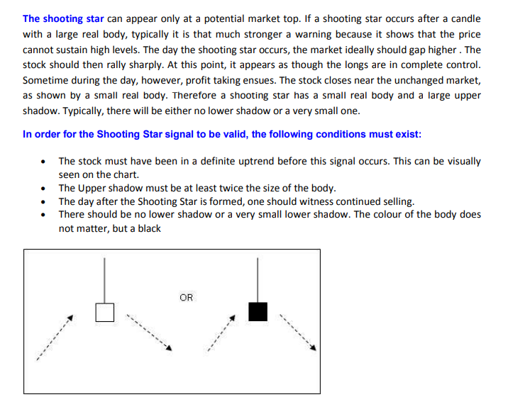

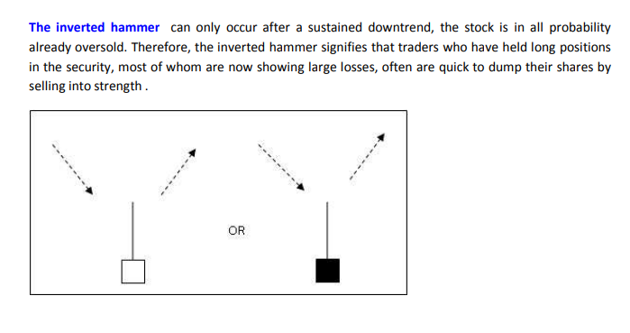

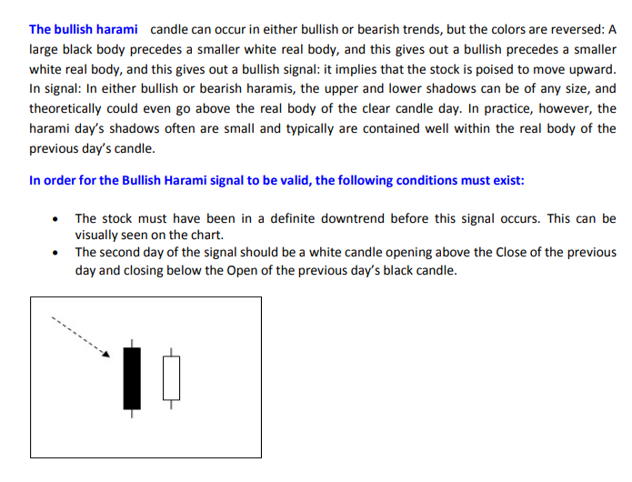

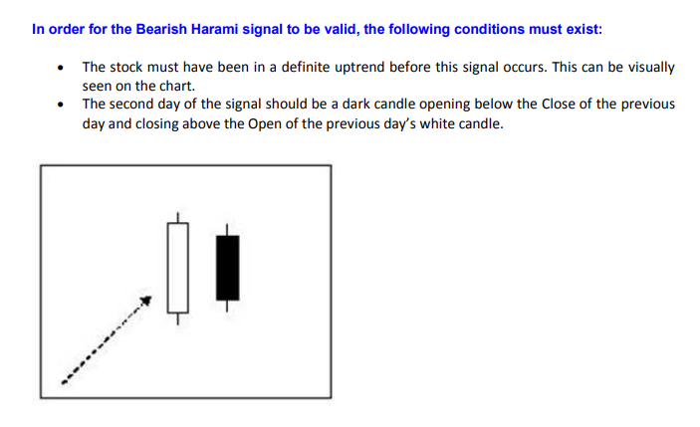

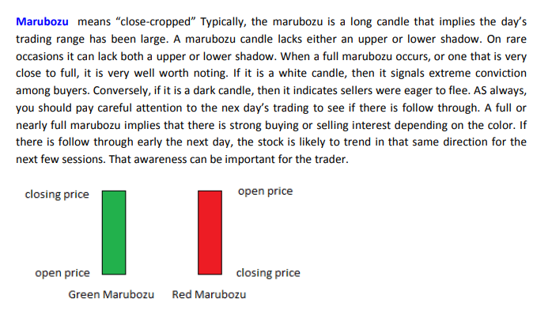

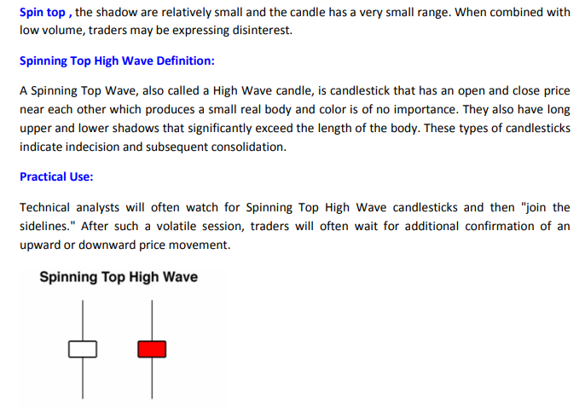

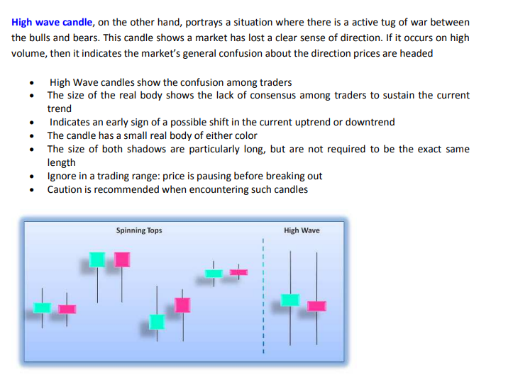

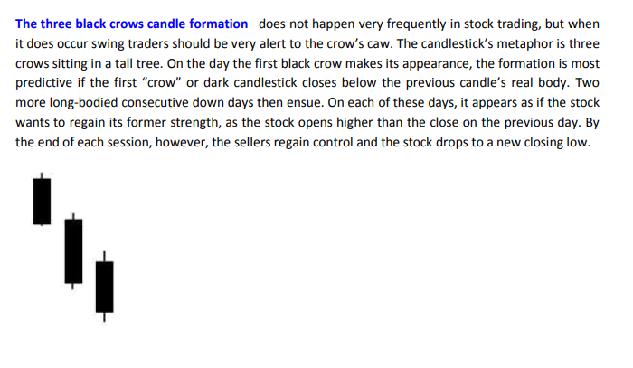

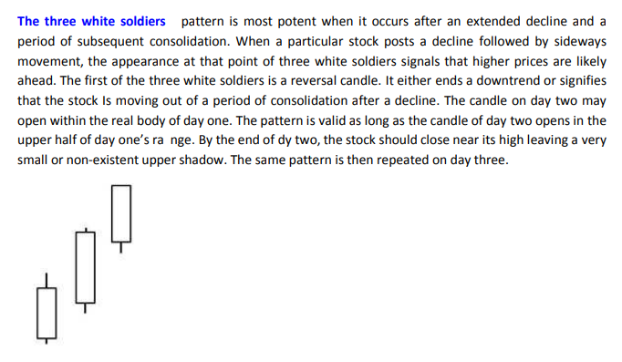

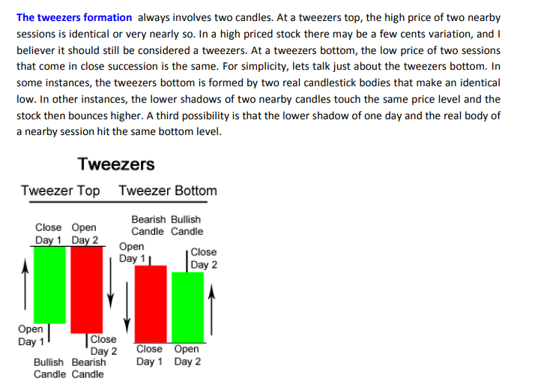

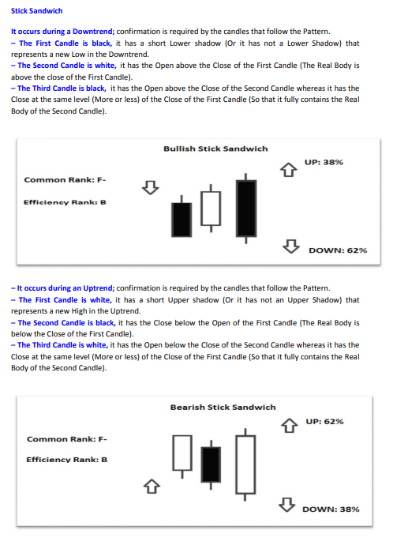

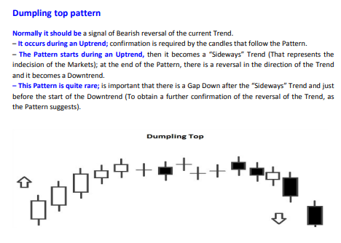

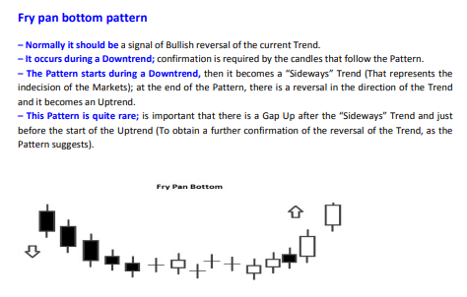

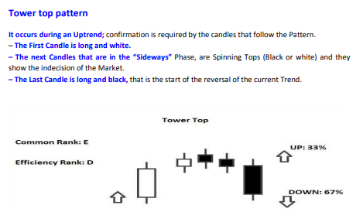

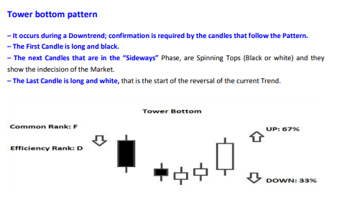

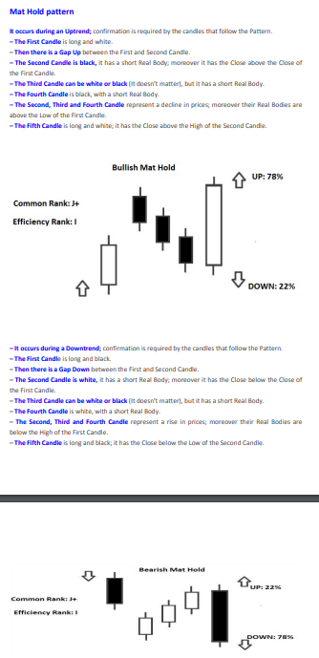

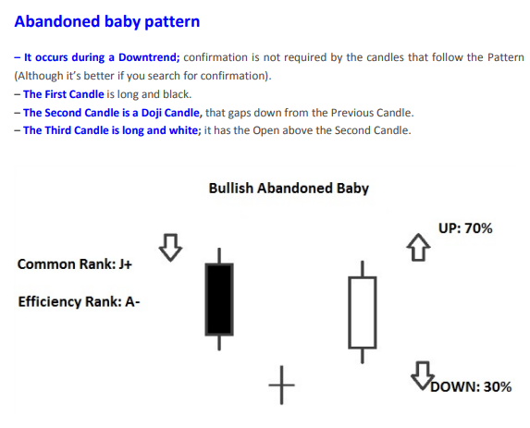

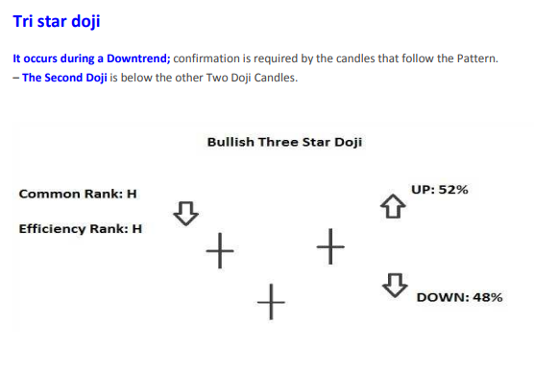

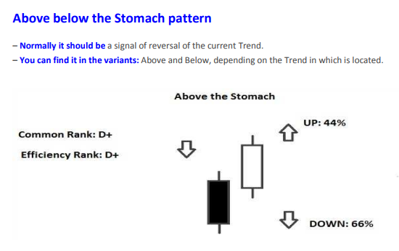

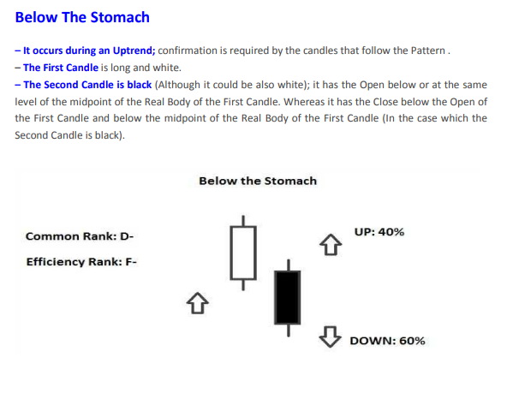

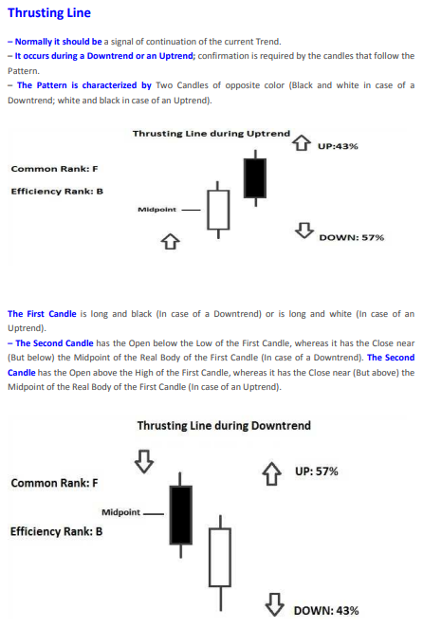

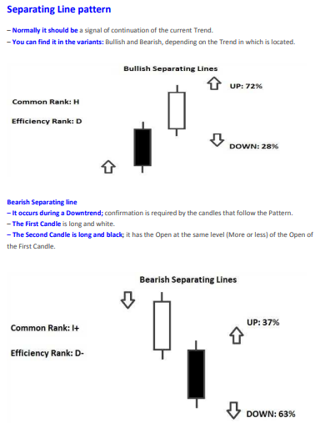

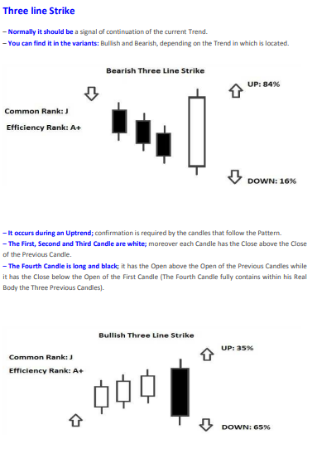

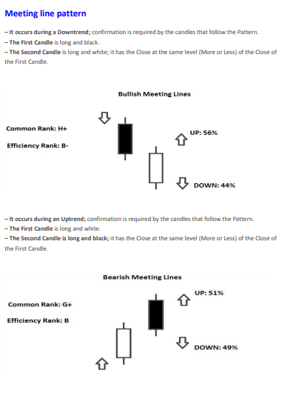

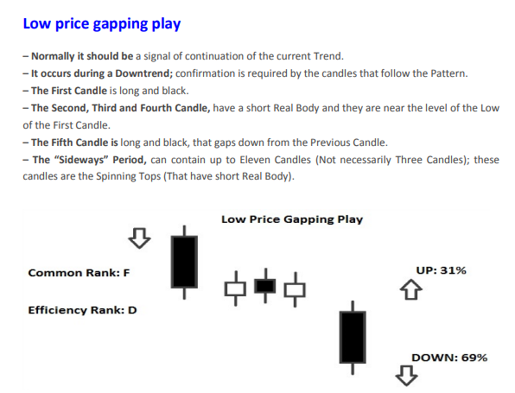

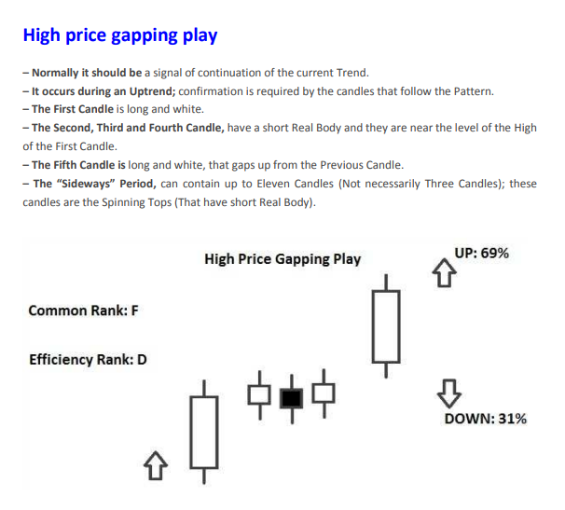

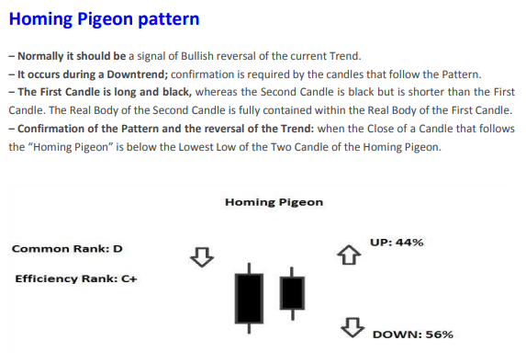

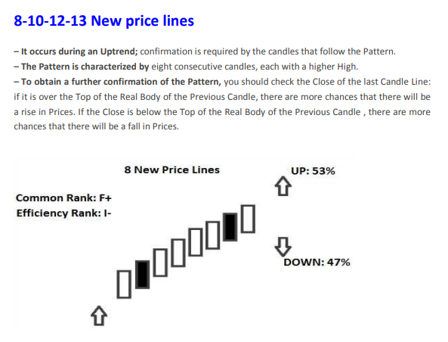

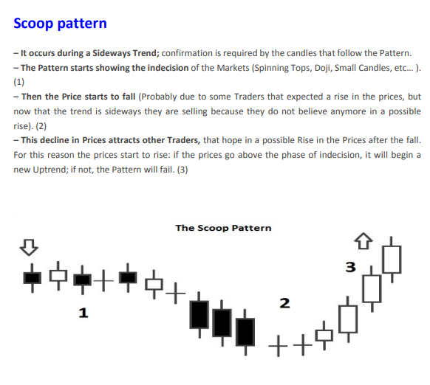

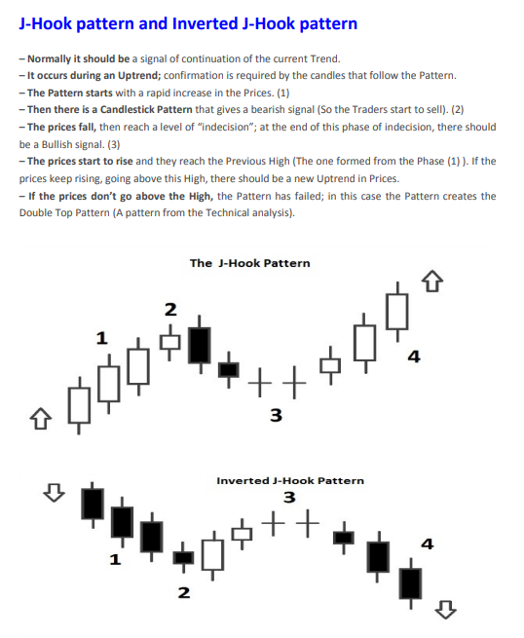

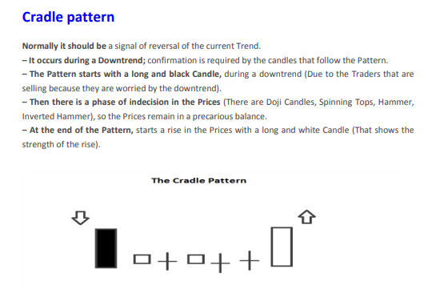

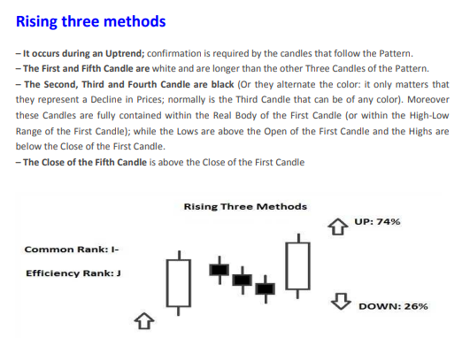

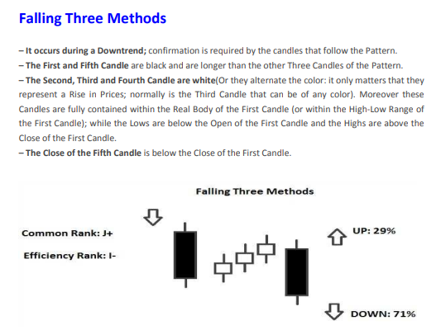

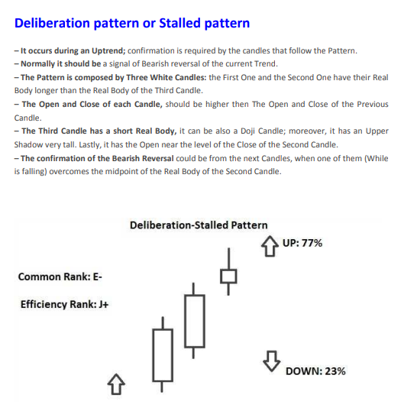

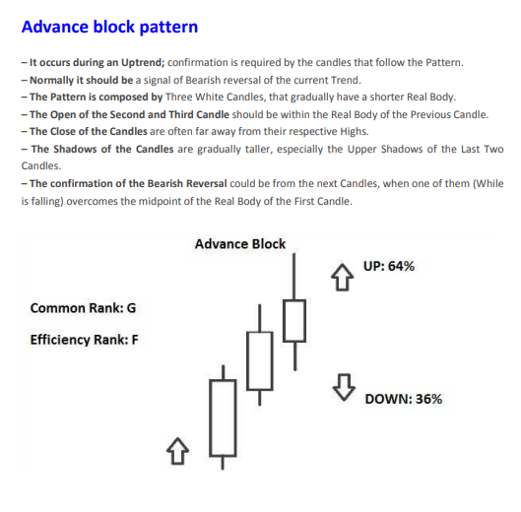

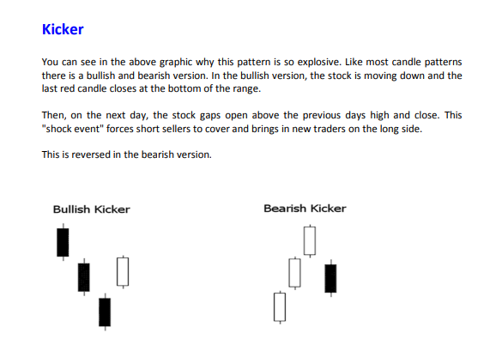

All Acounts
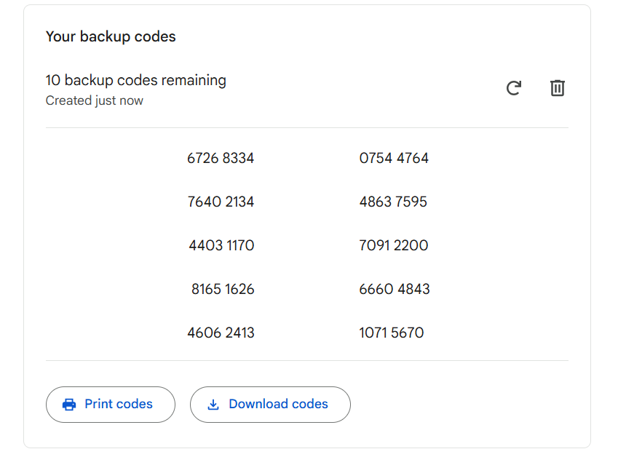
c |  | Bybit |  |  | OKx |  | Trust Wallet Pi | Meta Mask | dupalcojoel5@gmail.com
joeldupalco5@gmail.com | X7I4N4MVPQWS7FVMPMQTRHFGQ7JYAQQOHFVSLQHQB6M7AIZUAHCA (XM CODE AUTHENTICATOR) | joeldupalco5@gmail.com |  |  | joeldupalco5@gmail.com |  | vocal | excite scene jungle surface window bacon law coffee heart know vital fina
Mander1128! |  | Mander1128! | Password |  | Mander1128! | Password | address | d5e5d3c554455521feb7a4f32a2600989de0eb8e6103ad066413647ccb6c3e34
 |  | M5GPZ4B | Ref Code |  | MFIBJYM4XN4D2DXY | Private key | hurdle
MT5 Log In XMGlobal-MT5 4 |  | https://www.bybit.com/invite?ref=M5GPZ4B | Ref Link |  | 590349834427942499 | UID | term
ID | Password | Mander1128! | Fund Password |  | https://okx.com/join/29402775 | Ref link | punch
68325701 | Mander1128! | 183521887 | UID |  | 29402775 | Ref code | will
 |  | UBxr6x#e)t4P | Affiliate Password |  |  |  | carmbon |  | Meta mask wallet passkey
 |  |  |  |  |  |  | stadium |  | garbage joy life control undo mushroom punch road skill frozen gun grief
XM Account |  |  |  |  |  |  | hen
joeldupalco5@gmail.com |  | Coins.ph |  |  | Paypal |  | sketch
Mander1128! |  | joeldupalco09@yahoo.com | Email |  | joeldupalco09@yahoo.com |  | wet
 |  | Jander112891! | Password |  | Beekacho2811 |  | remind
In Active Account |  | YJRDTG7LSLXF6FEDP6CLAIZMW6EFXFKY | Code: | - |  |  | swing
MT5 Log In XMGlobal-MT5 2 |  |  |  |  |  |  | flush
68143282 |  |  |  |  |  |  | brain
Mander1128! |  | Fusion Markets |  |  |  |  | vibrant
 |  | joeldupalco5@gmail.com |  |  |  |  | west
Main Account Daily |  | Mander1128! |  |  |  |  | client
MT5 Log In XMGlobal-MT5 2 |  |  |  |  |  |  | head
68165978 |  |  |  |  |  |  | emotion
Mander1128! |  | DragonFi |  |  |  |  | squeeze
 |  | joeldupalco5@gmail.com |  |  |  |  | critic
$20 Account for Floating |  | Mander1128! |  |  |  |  | sausage
MT5 Log In XMGlobal-MT5 2 |  | GVRTMNJXHA4TALJTGMYTSLJUGFTGGLLBHAZGILLBHEZTEOBSGMZTIMJRGM | authenticator app address |  |  |  | farm
68288136 |  |  |  |  |  |  | vocal address hurdle term punch will carbon stadium hen sketch wet remind swing flush brain vibrant west client head emotion squeeze critic sausage farm
Mander1128! |  | MQL5
 |  | JDTV
$20 Account for High Markets |  | Mander1128!
MT5 Log In XMGlobal-MT5 2
68289224
Mander1128!

$1000 Account for High Markets
MT5 Log In XMGlobal-MT5 2
68325701
Mander1128!

$24 Account for Boosting
MT5 Log In XMGlobal-MT5 4
81848935
Mander1128!

$100 Account for Boosting
MT5 Log In XMGlobal-MT5 4
81850529
Mander1128!

